TOC Gallery
True|True|3|Medium|Medium|True
 | Table of Contents

Intro
Printable Shortcuts List
1. Turn Filters On-Off

2. Alt+Down Arrow
3. In Menu Keyboard Shorcuts
4. Filter Item Checkboxes

5. Jump to Search Box
6. Clear Column Filter
7. Clear All Filters

8. Filter Blanks
9. Filter Selected Cell Value
10. Add to Filter

11. Filter Dropdown in Table
12. Filter for Errors
Practice Table

Order Data

 | This Table of Contents was created
 | in one click with the Tab Hound Add-in.
 | Click here to learn more about Tab Hound

Intro
Keyboard Shortcuts for the Filter Dropdown Menus | ExcelCampus.com
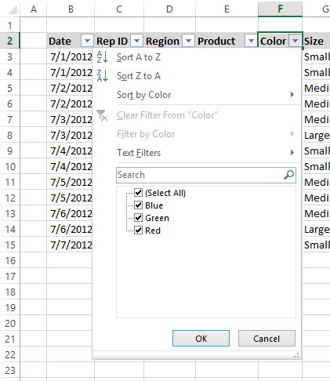
Filter Drop Down Menu
This workbook contains over 25 keyboard shortcuts for the
Filter Dropdown Menus in Excel.

These shortcuts will help save you time when filtering
and sorting your data. I always recommend using
Excel Tables to store your data. If you are not familiar
with Excel Tables, checkout my video on Tables to learn
more about how they can save you time.
Excel Tables Video

You will also want to use a keyboard that works well
for Excel Keyboard Shortcuts. Checkout my article on
best keyboards for Excel keyboard shortcuts to learn
more about what to look for in a keyboard.
Best Keyboards for Excel Keyboard Shortcuts

Please feel free to share this workbook with
your friends and co-workers.

Thank you!

Jon Acampora
Excel Campus
www.excelcampus.com

Source:
https://www.excelcampus.com/tables/filters-training-part-2/

Printable Shortcuts List
ExcelCampus.com
Excel Filter Keyboard Shortcuts List
Press Ctrl+P to print this page!
Filter Commands
 | Ctrl+Shift+L |  | Turn Filters On/Off
 | Ctrl+Alt+L |  | Reapply Filters
 | Alt, A, C |  | Clear All Filters

Filter Drop-down Menu

 | Basic Filter Commands
 |  | Alt+↓ | Open the Filter Drop-down Menu
 |  | Shift+Alt+↓ | Open the Filter Drop-down Menu from any cell in a Table
 |  | Alt+↓, S | Sort A to Z
 |  | Alt+↓, O | Sort Z to A
 |  | Alt+↓, T | Sort by Color sub menu
 |  | Alt+↓, I | Filter by Color sub menu
 |  | Alt+↓, F | Text, Date or Number Filter sub menu
 |  | Alt+↓, E | Place text cursor in Search box

 | Common Filter Criteria
 |  | Alt+↓, F, E, Enter | Filter for blanks
 |  | Alt+↓, F, E, 0, Enter | Filter for zeros
 |  | Alt+↓, E, #, Enter | Filter for errors

 | Focus Set to the Checkbox List
 |  | End Key | Select last item in the list
 |  | Home Key | Select first item in the list
 |  | Page Down | Scroll down one page in long list
 |  | Page Up | Scroll up one page in long list
 |  | Space bar | Check or Uncheck checkbox of selected item

Right-click Menu (cell in filtered range/table)
 | Menu Key, E, V |  | Filter by Selected Cell's Value

Find Columns in Filtered Range/Table
 | Shift+Space Bar |  | Select entire row when selected cell is in the header row
 | Ctrl+F |  | Open Find Window, type column name, press Enter

Watch the video at:
excelcampus.com/filter-shortcuts

1. Turn Filters On-Off
1. Turn Filters On-Off
Table of Contents

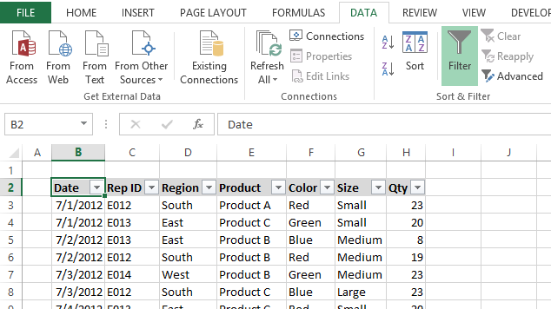
Ctrl+Shift+L | Turn Filter Buttons On or Off

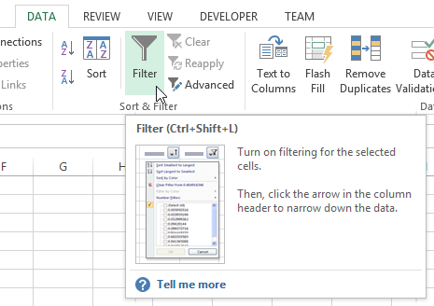
Hover mouse over button in the ribbon to display the screentip.
Screentip shows the keyboard shortcut for the button.

2. Alt+Down Arrow
2. Alt+Down Arrow to View Dropdown Menu
Table of Contents
Alt+Down Arrow | View Filter Dropdown Menu

3. In Menu Keyboard Shorcuts
3. Shortcuts in the Dropdown Menu
Table of Contents
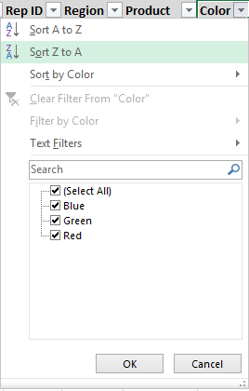
1. Up & Down Arrow Keys to select command.
2. Enter Key to perform command.
Underlined Letters in each command will perform that action.

 | Additional Shortcuts:
 | Alt+Down Arrow+S – Sort A to Z
 | Alt+Down Arrow+O - Sort Z to A
 | Alt+Down Arrow+T - Sort by Color sub menu
 | Alt+Down Arrow+I - Filter by Color sub menu
 | Alt+Down Arrow+F - Text, Date, or Number Filter sub menu

4. Filter Item Checkboxes
4. Check/Uncheck Filter Items
Table of Contents
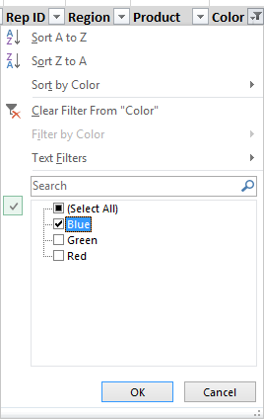
1. Up & Down Arrow Keys to select item.
2. Space Bar to check/uncheck selected item.

 | Additional Shortcuts:
 | End Key - Select last item in the list
 | Home Key - Select first item in the list
 | Page Down - Scroll down one page in long list
 | Page Up - Scroll up one page in long list

5. Jump to Search Box
5. Jump to Search Box
Table of Contents
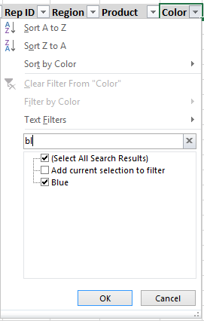

Alt + Down Arrow + E

The letter E puts the cursor in the search box to start typing the filter.

Additional Shortcuts:
Esc - Clears the search box

6. Clear Column Filter
6. Clear Filter from Column (Field)
Table of Contents

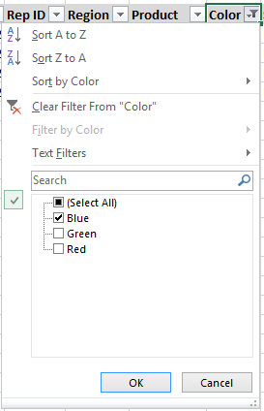
The letter C clears the filter in the column.
Alt + Down Arrow + C

7. Clear All Filters
7. Clear All Filters
Table of Contents
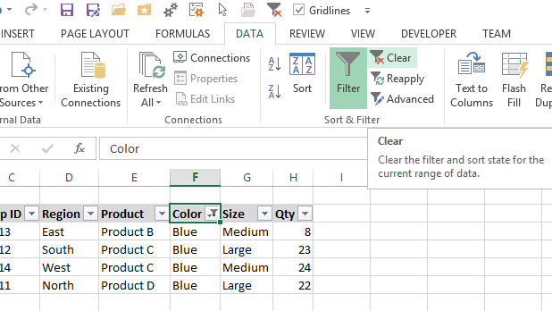
Alt+A+C | Clear ALL Filters
Add Clear Filter button to the QAT

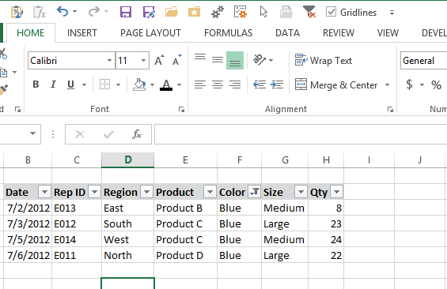
Filter Applied
Clear Filter button on QAT displays in color (enabled) when a filter is applied.
Filter Cleared
Button is grayed out (disabled) when no filters are applied.

8. Filter Blanks
8. Filter for Blanks
Table of Contents
Alt + Down Arrow + F + E + Enter
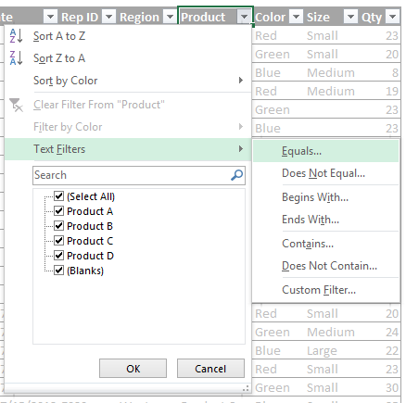
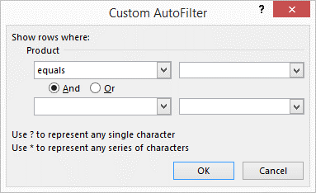
Alt+Down Arrow +F + E opens the Custom AutoFilter Window.
Press Enter to filter for Blanks (box is blank by default)

9. Filter Selected Cell Value
9. Filter by Selected Cell's Value
Table of Contents
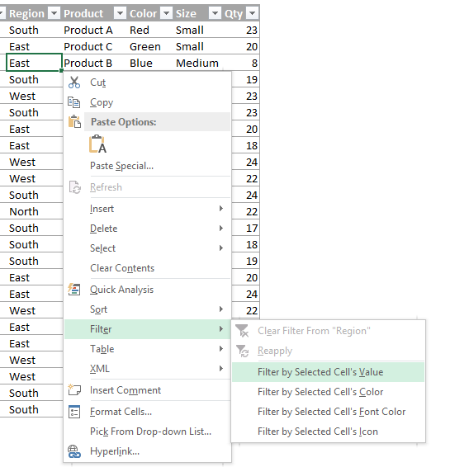

Menu Key + E + V

Filter the column by the value of the selected cell. You can also right-click with the mouse if you don' have the menu key.

Learn More about the Menu Key

Additional Shortcuts:
Menu Key + E + E - Clear Filter from Column
Menu Key + E + C - Filter by Cell's Color
Menu Key + E + F - Filter by Cell's Font Color
Menu Key + E + I - Filter by Cell's Icon

10. Add to Filter
10. Add Current Selection to Filter
Table of Contents
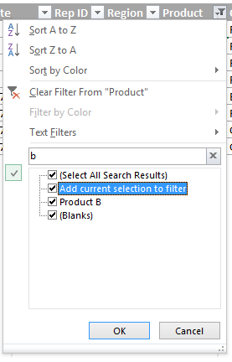

If a filter is already applied, type a search, then check the "Add current selection to filter" box.
The new filter will be dded to the existing filter, creating an OR condition.

11. Filter Dropdown in Table
11. Open Filter Menu in Table from Any Cell
Table of Contents
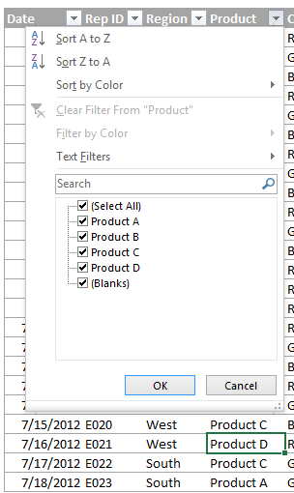

Alt+Shift+Down Arrow will open the filter dropdown menu from any selected cell in an Excel Table.

12. Filter for Errors
12. Filter for Formula Errors
Table of Contents

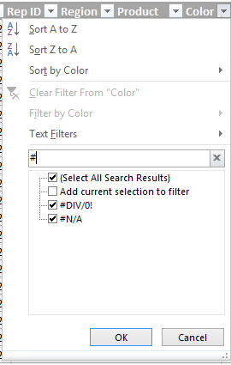
Filter for any formula errors if the "#" symbol is not used in other formulas/text.
Alt + Down Arrow + E + #

